Front Cover
M&D LEISURE RISK ASSESSMENT

RA 001 19 Master All Attractions
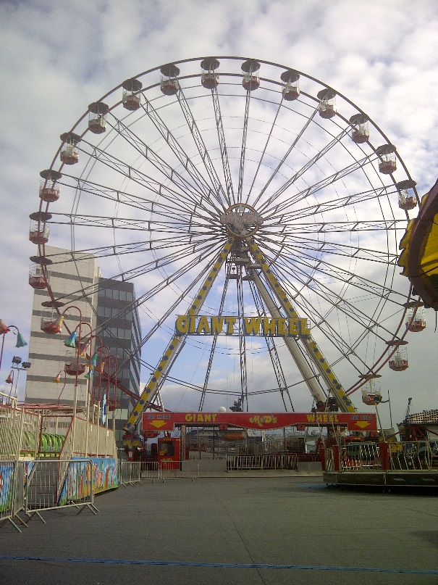

 | Reviewed By | Date | Changes

 | Assessment Date : |  | 18/03/2019
 | Review Date : |  | 17/03/2020

Prepared By;
 |  | HSE Solutions Ltd
 |  | Health, Safety & Environmental Solutions
 |  | for Business and Industry
Tel : 0141 332 3199 |  | www.hse-solutions.co.uk

